Sheet0
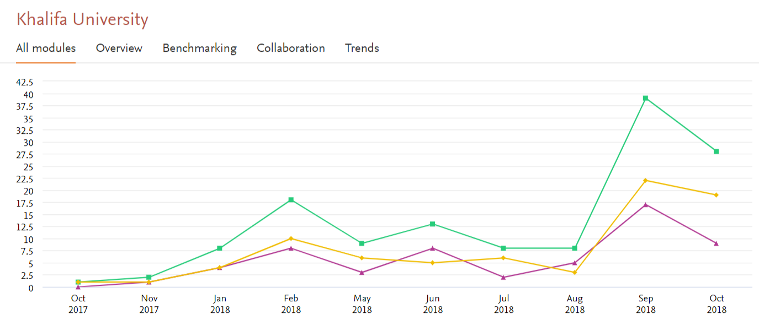
﻿Usage Analytics Report - Account Details

Account ID or name | Khalifa University
Module | All modules

Date range | Oct-17 - Oct-18
Date exported | 19 November 2018

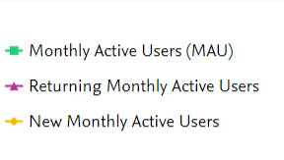
Month | MAU | Returning MAU | Avg Session Duration | Time on Page | Avg Time on Page | Created Entities | % use by most active | Page views
Oct 2018 | 28 | 9 | 00:07:11 | 00:08:48:27 | 00:01:21 | 4 | 49.33 | 416
Sep 2018 | 39 | 17 | 00:11:14 | 01:03:29:46 | 00:02:10 | 48 | 42.95 | 891
Aug 2018 | 8 | 5 | 00:19:20 | 00:15:55:33 | 00:04:18 | 1 | 55 | 320
Jul 2018 | 8 | 2 | 00:05:42 | 00:02:28:32 | 00:01:17 | 5 | 61.54 | 128
Jun 2018 | 13 | 8 | 00:13:53 | 00:17:50:08 | 00:02:46 | 39 | 41.46 | 498
May 2018 | 9 | 3 | 00:23:57 | 00:14:44:35 | 00:02:33 | 35 | 46.34 | 406
Feb 2018 | 18 | 8 | 00:12:24 | 00:14:39:48 | 00:01:11 | 170 | 42.86 | 826
Jan 2018 | 8 | 4 | 00:10:26 | 00:04:31:04 | 00:01:24 | 9 | 69.23 | 221
Nov 2017 | 2 | 1 | 01:05:24 | 00:01:41:39 | 00:01:43 | 45 | 100 | 67
Oct 2017 | 1 | 0 | 00:19:51 | 00:00:01:00 | 00:00:30 | 0 | 100 | 3
 |  |  |  |  |  |  |  | 3776
© 2018 Elsevier B.V. All rights reserved. SciVal, RELX Group and the RE symbol are trade marks of RELX Intellectual Properties SA, used under license.

